Sheet1
 | Error / feedbacks | Status | Remarks | Closed/ Open
A | NOTIFICATIONS (Vessel Login)
1 | Management User form shows all validations if any thing wrong added
2 | MSMP add attachment while adding the file
3 | Afetr the error, web.mooringplan.com occur the site showuld be logged out if I press refresh or back button
4 | After changing the DigimoorX7 logo in the main the name eof the assigned vessel is not visible
5 | Page refresh Issue : I added the Commennt to the Notificatio but the same is not reflected, but after refresh the Comment is showing
6 | IN Ack notification some are labled as Con't be ack, when I select those and click on Ack it shows up again. But those other are ack and removed from the notification page
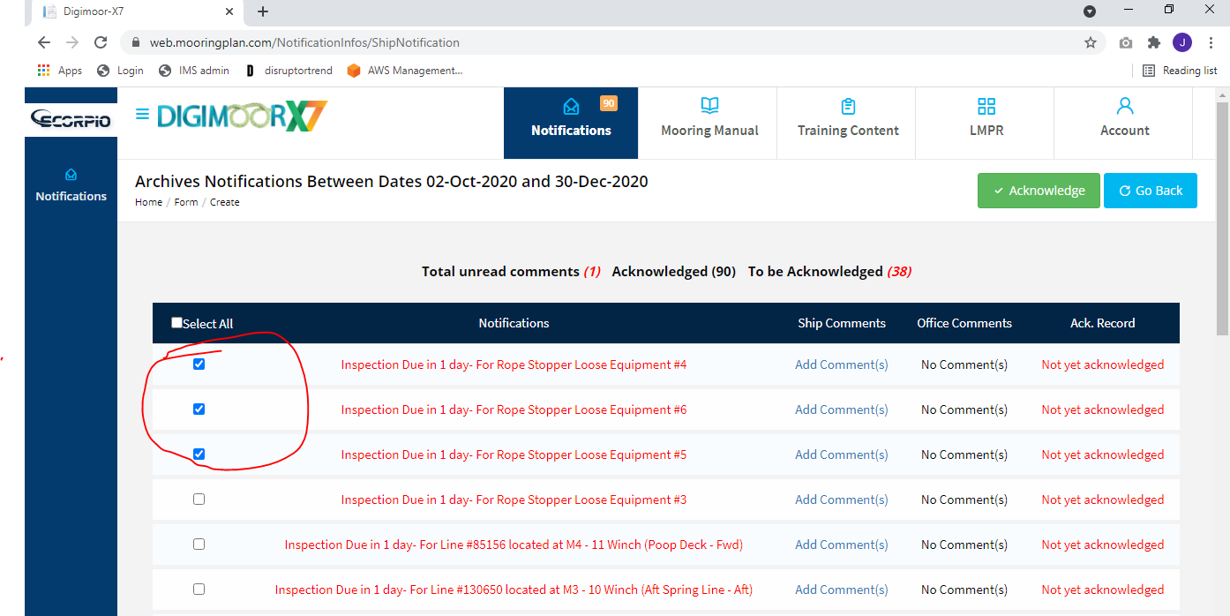
7 | While Checking the archives, the date option do not show the calender, but if I add the dates as per the manual it shows the data from the archives. But no data is shown for the notifications.
8 | Acknowledged data of the notification is not showing anywhere when acknowledged they just disapear
9

B | Mooring Manual
1 | Vessel Cover is displaying afer taking too much time. At first instance it not showing and even no status bar that the data is updating or loading is shown
2 | Still afatre giving full control over the IIS user and Users onto the data folders the error occur while adding attahment to the Ship specific data Cover page. I tried adding a PNG file.
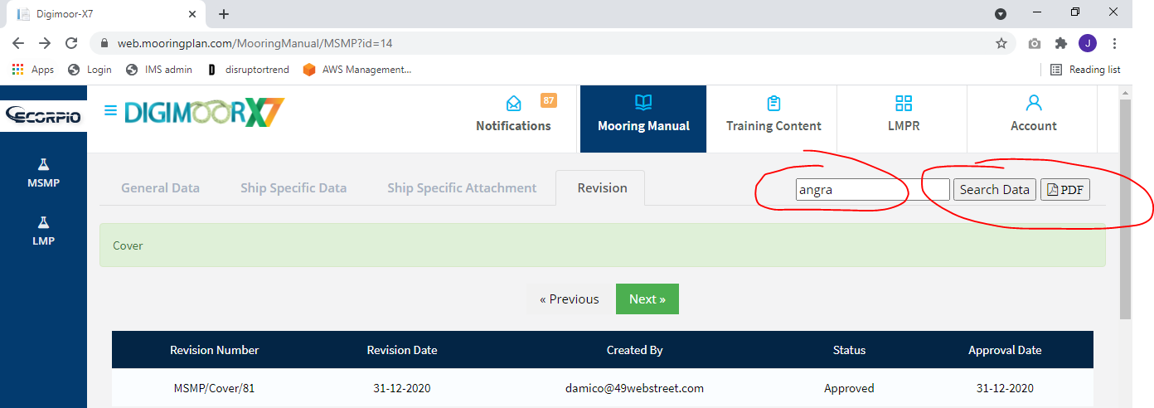
3 | In MSMP cover Serch box when I m adding any name or anything the search button is not responding
 | In MSMP cover Serch box when I m adding any name or anything the PDF button nothing is happening
4 | While adding the attachedment n the add attachment under the MSMP Section 1 while clciking on save it giving error
5 | Search Button not working on any section of the Mooring Manual
6 | PDF export button not working in anay section of the Mooring Manaual
7 | Same issue with the LMP menu of the Mooring manual as of MSMP, Attachment not working, Search not working and PDF button also not working
8

C | Training Content
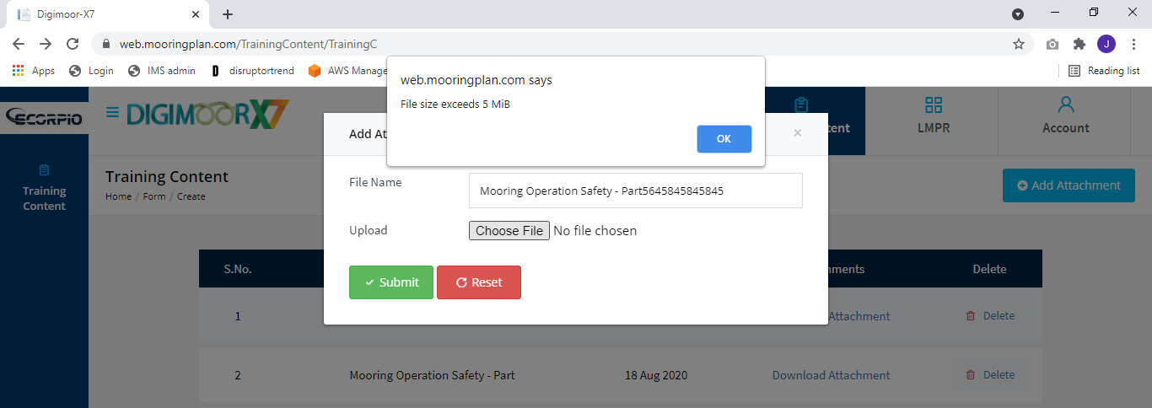
1 | While adding the provided Video file to the training content error of Data limit shows
2

